Calculations
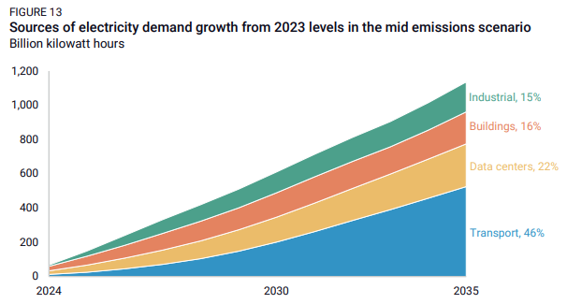

 | 2021 | 2022 | 2023 | 2024 | 2025 | 2026 | 2027 | 2028 | 2029 | 2030 | 2031 | 2032 | 2033 | 2034 | 2035 | 2036 | 2037 | 2038 | 2039 | 2040 | 2041 | 2042 | 2043 | 2044 | 2045 | 2046 | 2047 | 2048 | 2049 | 2050
bn kWh | 0 | 0 | 30.125 | 60.25 | 90.375 | 120.5 | 150.625 | 180.75 | 210.875 | 241 | 271.125 | 301.25 | 331.375 | 361.5 | 391.625 | 421.75 | 451.875 | 482 | 512.125 | 542.25 | 572.375 | 602.5 | 632.625 | 662.75 | 692.875 | 723 | 753.125 | 783.25 | 813.375 | 843.5
MWh | 0 | 0 | 30125000 | 60250000 | 90375000 | 120500000 | 150625000 | 180750000 | 210875000 | 241000000 | 271125000 | 301250000 | 331375000 | 361500000 | 391625000 | 421750000 | 451875000 | 482000000 | 512125000 | 542250000 | 572375000 | 602500000 | 632625000 | 662750000 | 692875000 | 723000000 | 753125000 | 783250000 | 813375000 | 843500000

